Normality Test
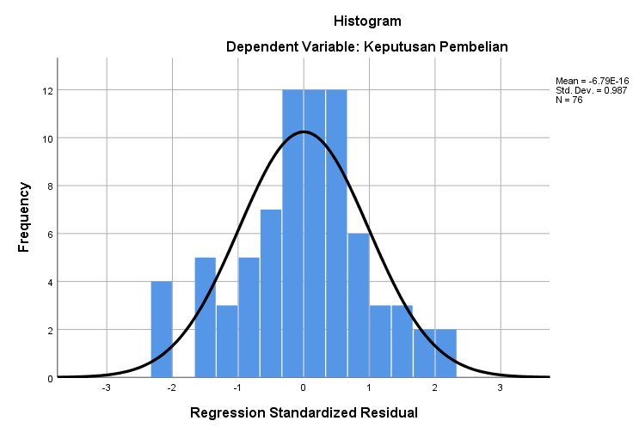
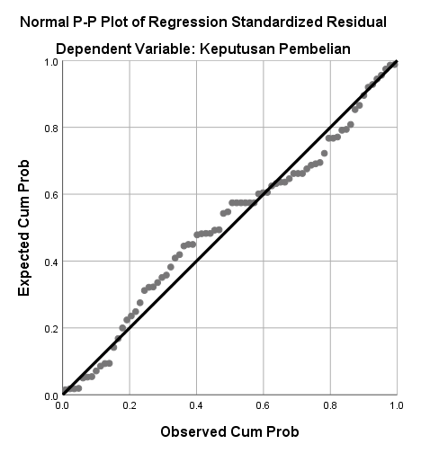
One-Sample Kolmogorov-Smirnov Test
 |  | Unstandardized Residual
N |  | 77
Normal Parametersa,b | Mean | 0.0000000
 | Std. Deviation | 2.41753518
Most Extreme Differences | Absolute | 0.082
 | Positive | 0.079
 | Negative | -0.082
Test Statistic |  | 0.082
Asymp. Sig. (2-tailed) |  | .200c,d
a. Test distribution is Normal.
b. Calculated from data.
c. Lilliefors Significance Correction.
d. This is a lower bound of the true significance.

Heteroscedasticity Test
